工作表1
OKK MC5B刀庫介面座清單檢查表

機號: | MC5B-250002
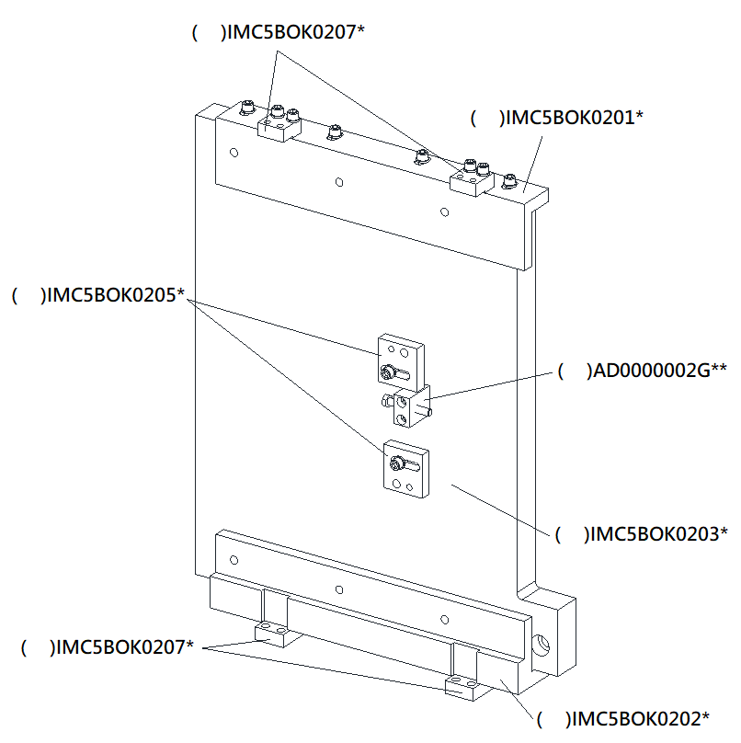

檢查: |  | 組裝:

